Day 1 Buccaneer to San Elijo
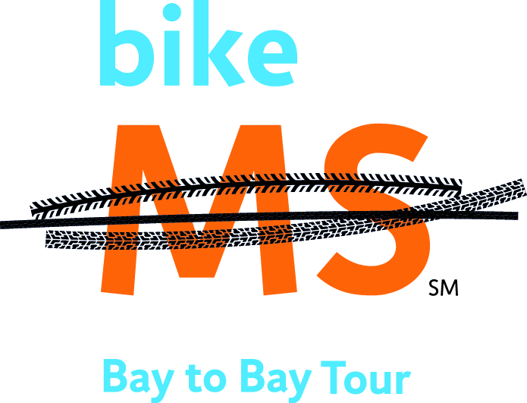
Rest Stop #5 - Century/75 Mile Lunch Stop |  |  |  | Rest Stop #5 - Century/75 Mile Lunch Stop
Buccaneer Park |  |  |  | Buccaneer Park
15.4 Miles to Next Rest Stop |  |  |  | 15.4 Miles to Next Rest Stop
L | Morse |  | 52.0 | L | Morse |  | 52.0
L | Cassidy St | 0.27 | 52.3 | L | Cassidy St | 0.27 | 52.3
R | Broadway St | 0.4 | 52.7 | R | Broadway St | 0.4 | 52.7
L | Eaton St | 0.09 | 52.7 | L | Eaton St | 0.09 | 52.7
R | S Coast Hwy / Carlsbad Blvd | 0.40 | 53.1 | R | S Coast Hwy / Carlsbad Blvd | 0.40 | 53.1
 | TRAFFIC TURNABOUT Take 1st Exit onto Carlsbad Blvd | 4.97 | 58.1 |  | TRAFFIC TURNABOUT Take 1st Exit onto Carlsbad Blvd | 4.97 | 58.1

L | Poinsettia Ln | 0.78 | 53.9 | L | Poinsettia Ln | 0.78 | 53.9
R | Batiquitos Rd | 2.4 | 56.3 | R | Batiquitos Rd | 2.4 | 56.3
R | Aviara Pkwy / Alga Rd | 3.17 | 59.5 | R | Aviara Pkwy / Alga Rd | 3.17 | 59.5
R | Melrose Dr | 1.58 | 61.1 | R | Melrose Dr | 1.58 | 61.1
L | San Elijo Rd N | 1.11 | 62.2 | L | San Elijo Rd N | 1.11 | 62.2
 | Entrance to Rest Stop | 0.27 | 62.5 |  | Entrance to Rest Stop | 0.27 | 62.5
Rest Stop #6 - San Elijo Hills |  |  |  | Rest Stop #6 - San Elijo Hills
OPEN FROM 10:30 AM-3:00 PM |  |  |  | OPEN FROM 10:30 AM-3:00 PM
CUTOFF FOR FULL CENTURY 2:00PM |  |  |  | CUTOFF FOR FULL CENTURY 2:00PM
Riders arriving before 2:00 will receive their choice of 100 mile or 75 mile final route slip. Riders arriving after 2:00 cut off will be given the 75 mile route slip. |  |  |  | Riders arriving before 2:00 will receive their choice of 100 mile or 75 mile final route slip. Riders arriving after 2:00 cut off will be given the 75 mile route slip.

